Triplicates
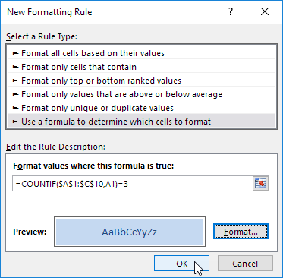
Sierra | Tango | Charlie
Kilo | Bravo | Yankee
Golf | Mike | Delta
Juliet | Alpha | Foxtrot
Papa | X-ray | November
Zulu | Sierra | Whiskey
Romeo | Echo | Quebec
India | Oscar | Delta
Sierra | Lima | Uniform
Hotel | Juliet | Victor

Conditional formatting / new rule

